Sheet1
 | Client Name | Company Name
 | Report Name | HR Analytics Dashboard
 | Developer Name | Roopa K
 | Project Manager
 | Development Tool | Power BI
 | Testing Tool | MYSQL

Test No. | Chart Name | Query | SQL Test Output | Power BI Output | Test Result | QA Remark
1 | KPI- Employee Count | Select count(`Employee Number`) from hr_data; |  |  | PASS | Exact Match
2 | KPI- Attrition Count | Select count(Attrition) as Attrition_count From hr_data where attrition ='Yes'; | 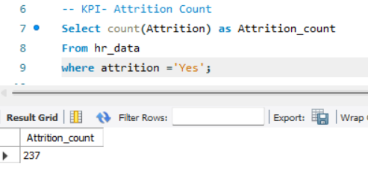 |  | PASS | Exact Match
3 | KPI- Attrition Rate | Select round(((Select count(Attrition) From hr_data where attrition ='Yes')/count(`Employee Number`))*100,2) as Attrition_Rate From hr_data; |  |  | PASS | Exact Match
4 | KPI- Active Employee | SELECT (SELECT COUNT(`Employee Number`) FROM hr_data) - (SELECT COUNT(`Employee Number`) FROM hr_data WHERE attrition = 'Yes') AS Active_Employee_Count; |  |  | PASS | Exact Match
5 | KPI- Average Age | Select Round(Avg(Age),0) from hr_data; |  |  | PASS | Exact Match
6 | Attrition by Gender | select gender, count(attrition) as attrition_count from hr_data where attrition='Yes' group by gender order by attrition_count desc; |  |  | PASS | Exact Match
7 | Department wise Attrition | Select department, count(Attrition),round((count(attrition)/(select count(attrition) from hr_data where attrition = 'Yes'))*100,2) as Attrition from hr_data where attrition = 'Yes' group by department order by Attrition desc |  | 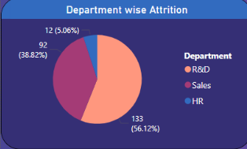 | PASS | Exact Match
8 | No of Employee by Age Group | select `CF_age band`,sum(`Employee count`) from hr_data group by `CF_age band` order by `CF_age band` asc; | 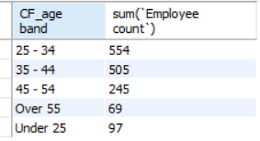 | 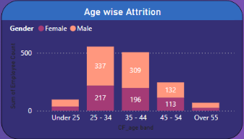 | PASS | Exact Match
9 | Education Field wise Attrition | Select `education field`, count(attrition) from hr_data where attrition ='Yes' group by `education field`order by count(attrition) desc; | 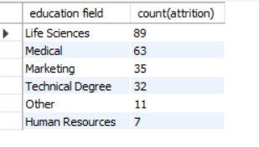 | 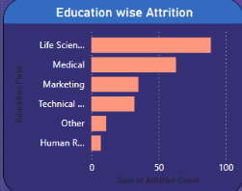 | PASS | Exact Match
10 | Job Satisfaction Rating | SELECT | 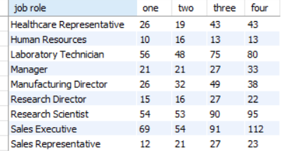 | 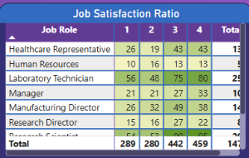 | PASS | Exact Match
 |  | `job role`,
 |  | SUM(CASE WHEN `job satisfaction` = 1 THEN `employee count` ELSE 0 END) AS `one`,
 |  | SUM(CASE WHEN `job satisfaction` = 2 THEN `employee count` ELSE 0 END) AS `two`,
 |  | SUM(CASE WHEN `job satisfaction` = 3 THEN `employee count` ELSE 0 END) AS `three`,
 |  | SUM(CASE WHEN `job satisfaction` = 4 THEN `employee count` ELSE 0 END) AS `four`
 |  | FROM
 |  | hr_data
 |  | GROUP BY
 |  | `job role`
 |  | ORDER BY
 |  | `job role`;

Test Result

 | Total Tests | 10
 | Pass | 10
 | Fail | 0
 | Blocked | 0
 | Not Executed | 0

